Sheet1
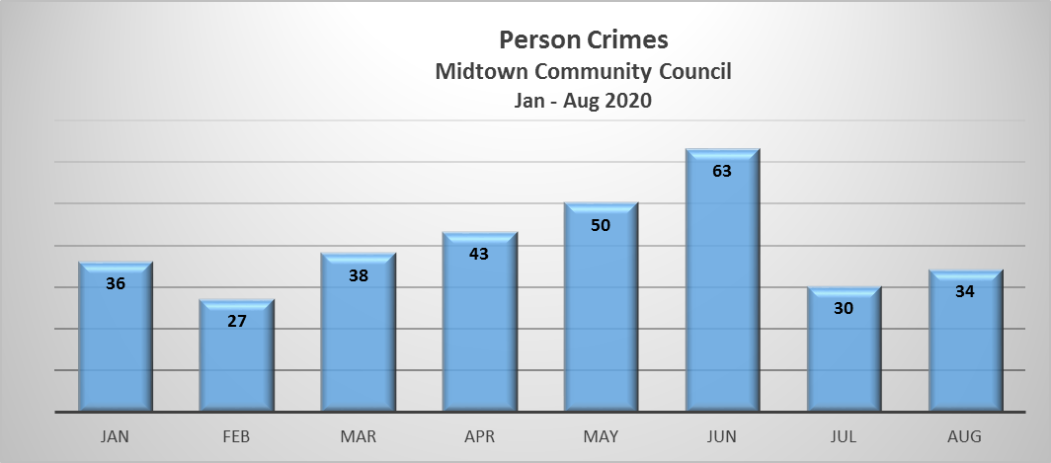
Person Crimes | Jan | Feb | Mar | Apr | May | Jun | Jul | Aug | Total
ASSAULT | 11 | 7 | 9 | 15 | 16 | 25 | 14 | 17 | 114
ASSAULT SIMPLE | 17 | 13 | 16 | 18 | 19 | 26 |  |  | 109
ROBBERY | 5 | 7 | 7 | 5 | 8 | 5 | 5 | 8 | 50
FORCIBLE RAPE | 1 |  | 2 | 2 | 2 | 2 | 6 | 5 | 20
DV VIOLATION | 2 |  | 2 |  | 1 | 2 |  | 2 | 9
CHILD ABUSE |  |  | 1 | 1 |  |  | 3 | 1 | 6
ATTEMPTED RAPE |  |  |  | 1 | 1 |  |  |  | 2
CHILD NEGLECT |  |  |  | 1 | 1 |  |  |  | 2
Human Trafficking |  |  | 1 |  |  |  |  | 1 | 2
SEXUAL ABUSE OF MINOR |  |  |  |  | 1 |  | 1 |  | 2
NON NEG HOMICIDE |  |  |  |  |  |  | 1 |  | 1
PORNOGRAPHY |  |  |  |  |  | 1 |  |  | 1
RAPE ANONYMOUS |  |  |  |  | 1 |  |  |  | 1
STALKING |  |  |  |  |  | 2 |  |  | 2
Total | 36 | 27 | 38 | 43 | 50 | 63 | 30 | 34 | 321

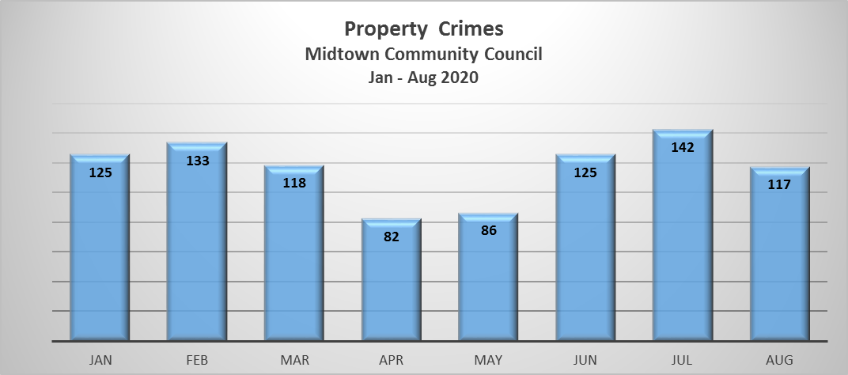

Property Crimes | Jan | Feb | Mar | Apr | May | Jun | Jul | Aug | Total
ARSON |  |  |  |  |  | 1 |  |  | 1
BURGLARY | 6 | 7 | 12 | 4 | 5 | 4 | 12 | 9 | 59
SHOPLIFT | 61 | 84 | 57 | 36 | 39 | 61 | 47 | 68 | 453
STOLEN VEHICLE | 15 | 9 | 14 | 7 | 1 | 6 | 15 | 5 | 72
THEFT/LARCENY | 37 | 31 | 31 | 22 | 36 | 39 | 55 | 29 | 280
VANDALISM | 6 | 2 | 4 | 13 | 5 | 14 | 13 | 6 | 63
Total | 125 | 133 | 118 | 82 | 86 | 125 | 142 | 117 | 928

15 Residential Burglaries = 25%
44 Commercial Burglaries = 75%

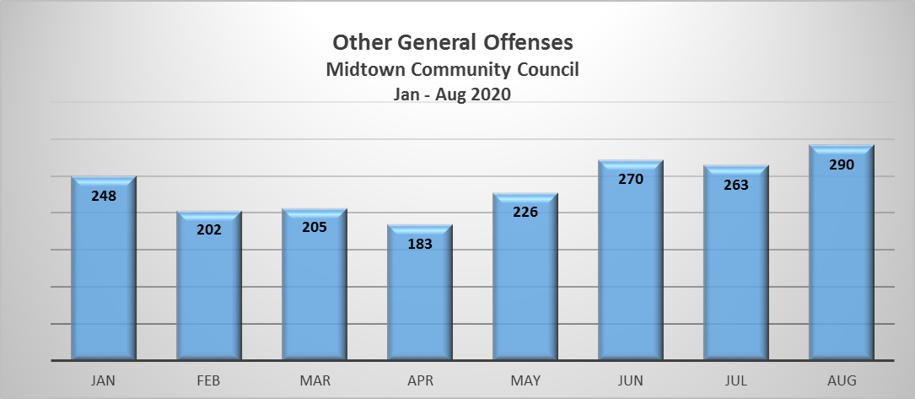
Other General Offenses | Jan | Feb | Mar | Apr | May | Jun | Jul | Aug | Total
WARRANT SERVICE | 20 | 23 | 34 | 31 | 25 | 38 | 27 | 46 | 244
TRAFFIC COLLISION | 52 | 30 | 20 | 14 | 24 | 25 | 26 | 37 | 228
TRAFFIC VIOLATIONS | 28 | 17 | 15 | 8 | 18 | 22 | 14 | 23 | 145
Serve Court Documents | 18 | 18 | 24 | 11 | 16 | 19 | 15 | 13 | 134
DISTURBANCE | 7 | 7 | 7 | 7 | 13 | 16 | 37 | 28 | 122
TRESPASS | 8 | 6 | 9 | 10 | 8 | 10 | 5 | 10 | 66
DRIVING UNDER THE INFLUENCE | 12 | 8 | 7 | 8 | 4 | 6 | 11 | 8 | 64
ELUDING | 5 | 13 | 9 | 4 | 8 | 11 | 5 | 6 | 61
SUSPICIOUS CIRCUMSTANCES | 8 | 9 | 1 | 4 | 6 | 10 | 7 | 15 | 60
SUICIDE ATTEMPT/THREAT | 8 | 9 | 4 | 5 | 6 | 8 | 9 | 9 | 58
FOUND PROPERTY | 4 | 4 | 2 | 7 | 5 | 9 | 7 | 11 | 49
MENTAL SUBJECT | 4 | 8 | 4 | 4 | 9 | 7 | 5 | 7 | 48
VIOLATION OF CITY/STATE REGS | 2 | 2 | 2 | 3 | 1 | 7 | 15 | 12 | 44
AGENCY ASSIST | 4 | 4 | 3 | 7 | 5 | 4 | 7 | 8 | 42
VEHICLE TAMPERING | 3 | 2 | 3 | 10 | 11 | 5 | 4 | 3 | 41
FORGERY | 9 | 5 | 9 | 10 | 2 | 4 | 1 |  | 40
DWLS/DWLR/DWLC | 4 | 1 | 5 |  | 3 | 2 | 8 | 5 | 28
THREATS (EXCEPT BOMB OR SUICIDE) | 1 | 3 | 4 | 2 | 2 | 3 | 5 | 6 | 26
FRAUD OTHER | 3 | 1 | 3 |  | 5 | 6 | 2 | 4 | 24
HARASSMENT | 3 | 1 | 4 | 2 | 2 | 7 | 3 | 2 | 24
TRAFFIC COLLISION W/ARREST | 7 | 4 | 3 | 1 | 2 | 6 |  |  | 23
VIOLATION OF RELEASE CONDITIONS | 4 | 2 | 2 | 1 | 6 | 2 |  |  | 17
FAILURE TO REG AS SEX REGISTRANT | 2 | 2 | 2 | 1 | 3 | 4 |  |  | 14
MISCONDUCT INVOLVING WEAPON |  |  |  |  |  | 1 | 10 | 2 | 13
JUVENILE RUNAWAY | 1 | 3 | 1 | 2 | 3 |  | 1 | 1 | 12
PUBLIC ASSIST | 2 |  |  |  | 1 | 1 | 2 | 6 | 12
DRUGS |  |  |  |  |  | 1 | 5 | 5 | 11
FALSE INFORMATION |  | 3 |  | 3 | 1 | 3 | 1 |  | 11
DEATH-NATURAL CAUSES | 1 | 1 | 2 | 2 | 2 | 2 |  |  | 10
INDECENT EXPOSURE | 1 | 1 | 4 | 1 |  |  |  | 2 | 9
RESIST ARREST |  | 4 |  | 2 | 2 | 1 |  |  | 9
CHECK FRAUD | 1 | 1 |  | 1 | 1 | 2 | 1 | 1 | 8
DISORDERLY CONDUCT | 1 |  | 1 | 2 | 2 | 1 | 1 |  | 8
FAILURE TO RETURN RENTAL VEHICLE | 2 |  | 1 | 2 | 2 |  |  | 1 | 8
LOST PROPERTY | 2 | 1 | 1 |  | 1 |  | 2 | 1 | 8
MEDIC ASSIST | 2 |  | 1 |  |  | 1 | 3 | 1 | 8
CREDIT/BANK CARD FRAUD |  |  |  | 1 | 1 | 1 | 3 | 1 | 7
DRUG INFO | 1 |  |  | 1 | 3 | 2 |  |  | 7
FRAUD |  |  |  |  |  | 1 | 3 | 3 | 7
POSSESSION OPIUM OR COCAINE DERIV | 1 |  | 2 | 2 | 1 | 1 |  |  | 7
ASSAULT INFORMATION | 1 | 1 |  | 1 |  | 3 |  |  | 6
CIVIL PROBLEM | 1 | 1 |  |  | 2 | 1 | 1 |  | 6
FALSE ALARM (TIBURON'S CODE) | 1 |  |  |  | 1 |  | 2 | 2 | 6
MISUSE |  |  | 1 | 1 |  |  | 3 | 1 | 6
PAROLE/PROBATION VIOLATION | 1 | 1 |  |  | 2 | 2 |  |  | 6
POSSESS NON-NARC (BARBS_BENZEDRINE) | 1 |  | 2 | 1 | 1 | 1 |  |  | 6
SEXUAL ASSAULT INFORMATION | 1 | 1 | 1 |  | 1 | 1 | 1 |  | 6
Assist Agency | 2 | 1 | 1 |  |  |  |  | 1 | 5
FOLLOW UP | 3 |  |  |  | 1 |  | 1 |  | 5
MISSING ADULT |  | 1 |  |  |  |  | 3 | 1 | 5
VEHICLE IN DISTRESS | 1 |  | 2 |  |  |  |  | 2 | 5
DOA |  |  |  |  |  |  | 3 | 1 | 4
DRUNK PROBLEMS |  |  |  | 1 | 1 |  | 2 |  | 4
DRUNK TRANSPORT |  |  | 1 |  | 1 | 2 |  |  | 4
RCV VEH LOCALLYSTN OTHER JURIS | 1 | 1 | 1 | 1 |  |  |  |  | 4
INFORMATION ONLY - FRAUD_FORGERY |  | 1 |  | 1 | 1 |  |  |  | 3
MSOW |  |  |  |  |  |  | 1 | 2 | 3
Warrant Arrest |  |  | 2 |  |  | 1 |  |  | 3
Collision Vehicle | 1 |  |  | 1 |  |  |  |  | 2
DRUGS OTHER | 1 |  |  |  |  | 1 |  |  | 2
ESCAPE CUSTODY |  |  |  |  | 1 | 1 |  |  | 2
FALSE REPORT |  |  | 1 | 1 |  |  |  |  | 2
JUVENILE PROBLEM |  |  |  |  | 2 |  |  |  | 2
Miscellaneous |  |  |  |  |  | 1 |  | 1 | 2
OFFENSIVE TOUCHING |  |  |  | 1 |  | 1 |  |  | 2
SAM INFORMATION REPORT |  |  |  |  | 1 | 1 |  |  | 2
STOLEN PROPERTY |  |  | 1 |  | 1 |  |  |  | 2
WEAPONS DISCHARGE |  |  |  | 1 |  | 1 |  |  | 2
Wildlife Call |  |  | 1 |  |  | 1 |  |  | 2
TRAFFIC STOP |  |  |  |  | 1 |  |  |  | 1
FIELD INTERVIEW |  |  |  |  | 1 |  |  |  | 1
ANIMAL CALL |  |  |  | 1 |  |  |  |  | 1
BURGLARY INFORMATION |  |  |  |  |  |  |  | 1 | 1
CCW |  |  |  |  | 1 |  |  |  | 1
CHILD ABUSE INFORMATION |  |  | 1 |  |  |  |  |  | 1
Commercial Vehicle Offense |  |  |  |  | 1 |  |  |  | 1
CRIMINALLY NEGLIGENT BURNING |  |  |  | 1 |  |  |  |  | 1
DEATH BY OVERDOSE |  |  |  |  | 1 |  |  |  | 1
DV INFORMATION |  |  |  |  |  | 1 |  |  | 1
EMBEZZLEMENT | 1 |  |  |  |  |  |  |  | 1
FIELD INTERVIEW |  |  |  | 1 |  |  |  |  | 1
Forgery/Fraud |  | 1 |  |  |  |  |  |  | 1
FOUND PERSON |  |  |  |  |  |  |  | 1 | 1
LIQUOR VIOLATION |  |  |  |  | 1 |  |  |  | 1
PROSTITUTION |  |  |  |  |  |  | 1 |  | 1
RECKLESS DRIVING |  |  |  |  |  | 1 |  |  | 1
SALES/MFG - OPIUM OR COCAINE DERIV |  |  | 1 |  |  |  |  |  | 1
WEAPON BRANDISHING |  |  |  | 1 |  |  |  |  | 1
WEAPON OTHER |  |  |  |  |  | 1 |  |  | 1
Welfare Check | 1 |  |  |  |  |  |  |  | 1
Total | 248 | 202 | 205 | 183 | 226 | 270 | 263 | 290 | 1887

